Sheet1
d50 | spring | spring | spring | spring | spring | spring | spring | spring | spring | spring | spring | spring | summer | summer | summer | summer | summer | summer | summer | summer | summer | summer | summer
open | 36.733368279 | 38.199676917 | 34.240513055 | 34.173187831 | 31.343041754 | 38.228531641 | 30.226394039 | 33.870548823 | 34.825006611 | 33.696750323 | 35.287559907 | 34.310551488 | 39.932747993 | 29.648545142 | 34.64881721 | 15.104296123 | 24.421544013 | 15.186103479 | 28.794362199 | 26.36707288 | 14.680206106 | 9.3924599054 | 22.697461238
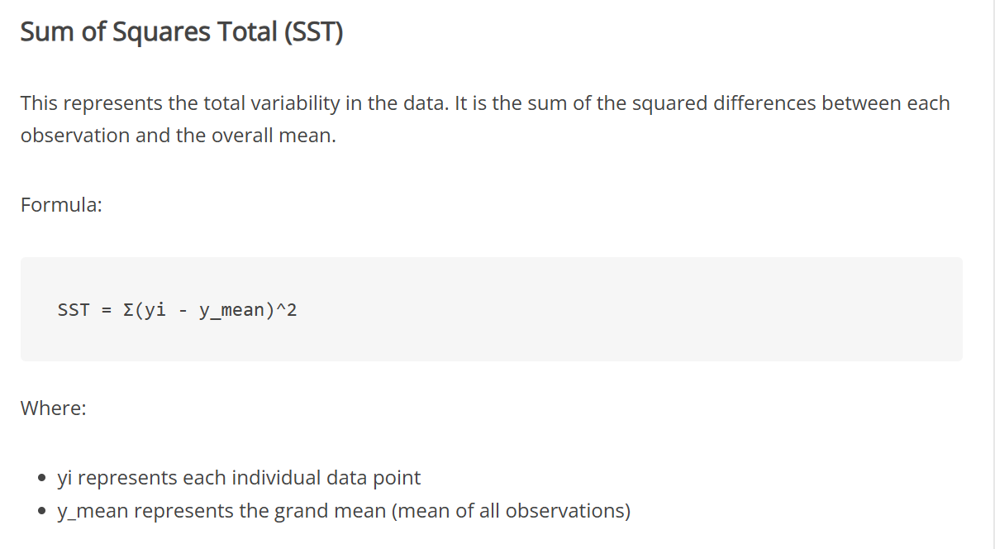

d50 | spring | spring | spring | spring | spring | spring | spring | spring | spring | spring | spring | summer | summer | summer | summer | summer | summer | summer | summer | summer | summer | summer
closed | 34.909563947 | 33.237794299 | 42.486660535 | 33.783111577 | 31.512715861 | 28.925432414 | 31.7301728 | 29.035929173 | 38.384785235 | 33.001625381 | 38.371060865 | 39.936199644 | 30.88884368 | 30.255630229 | 30.877609867 | 26.140535576 | 11.298249026 | 25.09831575 | 27.420989263 | 38.615594941 | 25.090319933 | 34.942693531

ANOVA
ALL_mean | 30.487835122
O_mean | 29.39168465
C_mean | 31.633810615
Oi-ALL_mean | 6.2455331575 | 7.7118417953 | 3.7526779329 | 3.6853527092 | 0.85520663238 | 7.7406965193 | -0.2614410827 | 3.3827137015 | 4.3371714896 | 3.2089152008 | 4.7997247848 | 3.8227163658 | 9.4449128713 | -0.83928997999 | 4.160982088 | -15.383538999 | -6.0662911091 | -15.301731643 | -1.6934729233 | -4.1207622417 | -15.807629016 | -21.095375216 | -7.7903738838
Oi-O_mean | 7.341683629 | 8.8079922669 | 4.8488284045 | 4.7815031808 | 1.951357104 | 8.8368469909 | 0.83470938888 | 4.478864173 | 5.4333219612 | 4.3050656724 | 5.8958752564 | 4.9188668374 | 10.541063343 | 0.25686049159 | 5.2571325596 | -14.287388528 | -4.9701406375 | -14.205581171 | -0.59732245175 | -3.0246117701 | -14.711478544 | -19.999224745 | -6.6942234122
Ci-ALL_mean | 4.4217288255 | 2.7499591771 | 11.998825413 | 3.2952764552 | 1.024880739 | -1.5624027075 | 1.2423376777 | -1.4519059489 | 7.8969501133 | 2.5137902591 | 7.8832257428 | 9.4483645219 | 0.40100855788 | -0.23220489297 | 0.38977474481 | -4.3472995457 | -19.189586096 | -5.3895193715 | -3.0668458586 | 8.1277598191 | -5.3975151888 | 4.4548584093
Ci-C_mean | 3.2757533325 | 1.6039836841 | 10.85284992 | 2.1493009622 | -0.12109475404 | -2.7083782006 | 0.096362184689 | -2.5978814419 | 6.7509746203 | 1.3678147661 | 6.7372502498 | 8.3023890288 | -0.74496693514 | -1.378180386 | -0.75620074821 | -5.4932750387 | -20.335561589 | -6.5354948645 | -4.2128213516 | 6.9817843261 | -6.5434906818 | 3.3088829163
Oi-ALL_mean)2 | 39.006684421 | 59.472503876 | 14.082591668 | 13.581824591 | 0.73137838407 | 59.918382604 | 0.068351439725 | 11.442751986 | 18.81105653 | 10.297136766 | 23.03735801 | 14.613160414 | 89.206379146 | 0.70440767052 | 17.313771937 | 236.65327214 | 36.79988782 | 234.14299127 | 2.8678505421 | 16.980681453 | 249.8811351 | 445.01485552 | 60.68992525
Oi-O_mean)2 | 53.900318509 | 77.580727773 | 23.511136896 | 22.862772668 | 3.8077945472 | 78.089864741 | 0.69673976389 | 20.060224281 | 29.520987534 | 18.533590443 | 34.761345039 | 24.195250964 | 111.1140164 | 0.06597731214 | 27.63744275 | 204.12947094 | 24.702297956 | 201.79853641 | 0.35679411137 | 9.1482763601 | 216.42760096 | 399.96899039 | 44.812627093
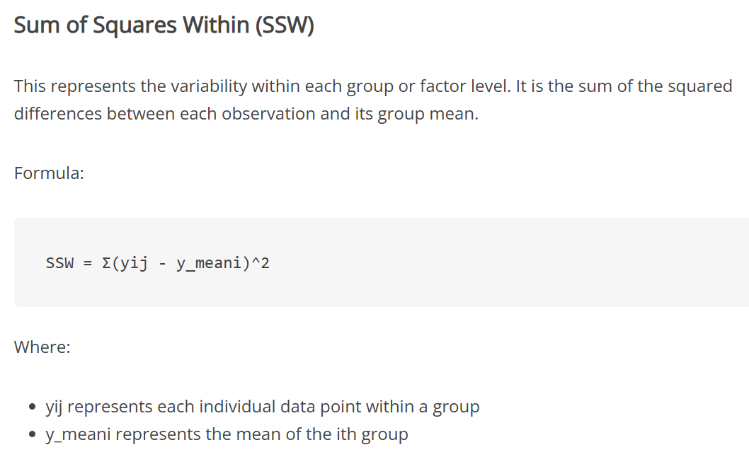
Ci-ALL_mean)2 | 19.551685807 | 7.5622754758 | 143.9718113 | 10.858846916 | 1.0503805291 | 2.4411022205 | 1.5434029055 | 2.1080308843 | 62.361821092 | 6.319141467 | 62.145248112 | 89.271592138 | 0.16080786349 | 0.053919112321 | 0.15192435169 | 18.89901334 | 368.24021453 | 29.046919055 | 9.4055435206 | 66.060479677 | 29.133170213 | 19.845763447
Ci-C_mean)2 | 10.730559896 | 2.5727636589 | 117.78435139 | 4.6194946262 | 0.014663939455 | 7.3353124773 | 0.0092856706381 | 6.748987986 | 45.575658324 | 1.8709172344 | 45.390540928 | 68.929663586 | 0.55497573445 | 1.8993811763 | 0.57183957159 | 30.17607065 | 413.53506514 | 42.712693124 | 17.747863741 | 48.745312376 | 42.817270303 | 10.948706154

SST | 2605.5014325
SSW | 2548.9741615

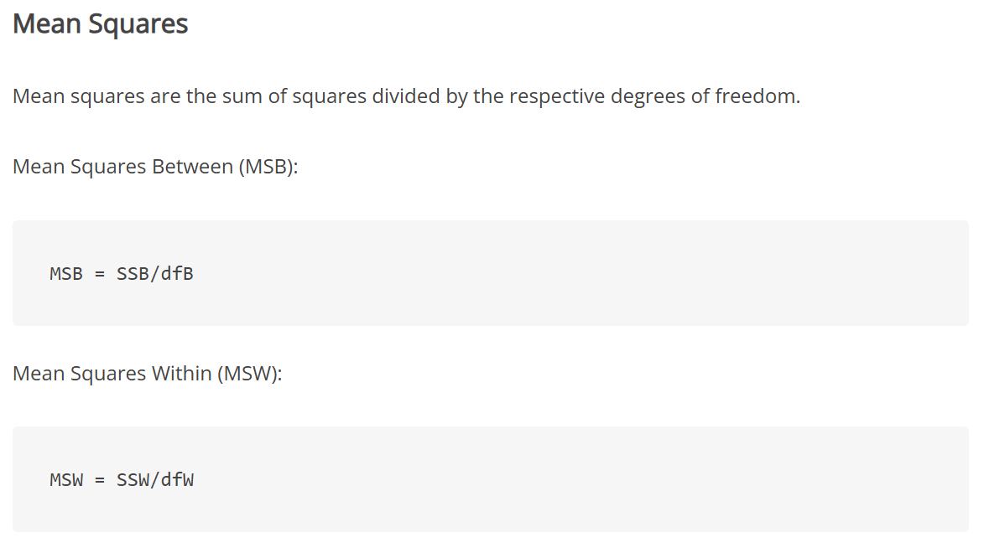
O_number | 23
C_number | 22
SSB | 56.527270969

dfW | 43
dfB | 1
dfT | 44

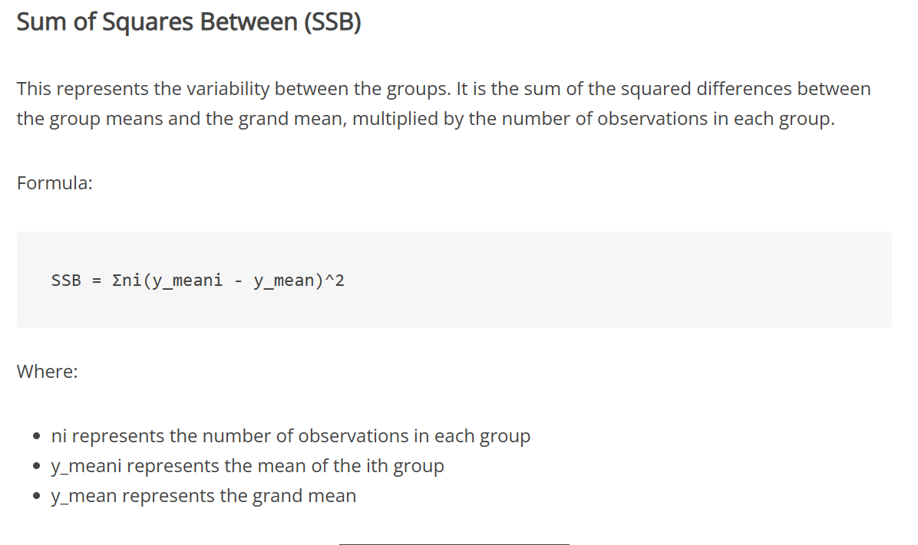
MSB | 56.527270969
MSW | 59.278468873
F | 0.95358858021
F-crit | 4.0847 |  | with | p<0.05

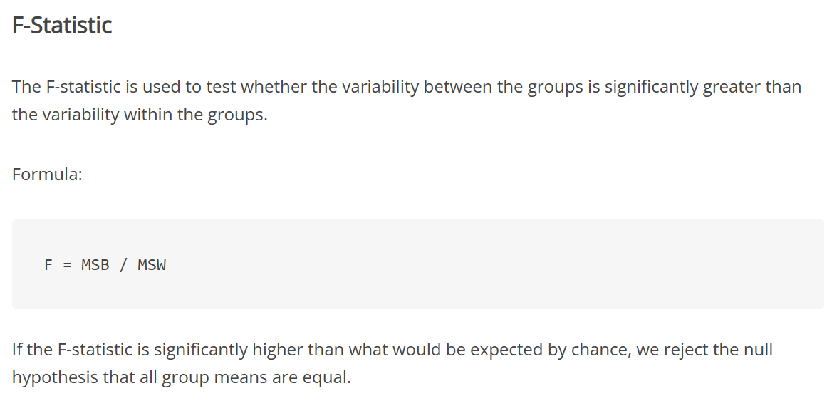
SPRING
ALL_mean
O_mean
C_mean
Oi-ALL_mean
Oi-O_mean
Ci-ALL_mean
Ci-C_mean
Oi-ALL_mean)2
Oi-O_mean)2
Ci-ALL_mean)2
Ci-C_mean)2

SST
SSW

O_number
C_number
SSB

dfW
dfB
dfT

MSB
MSW
F
F-crit

